Sheet1
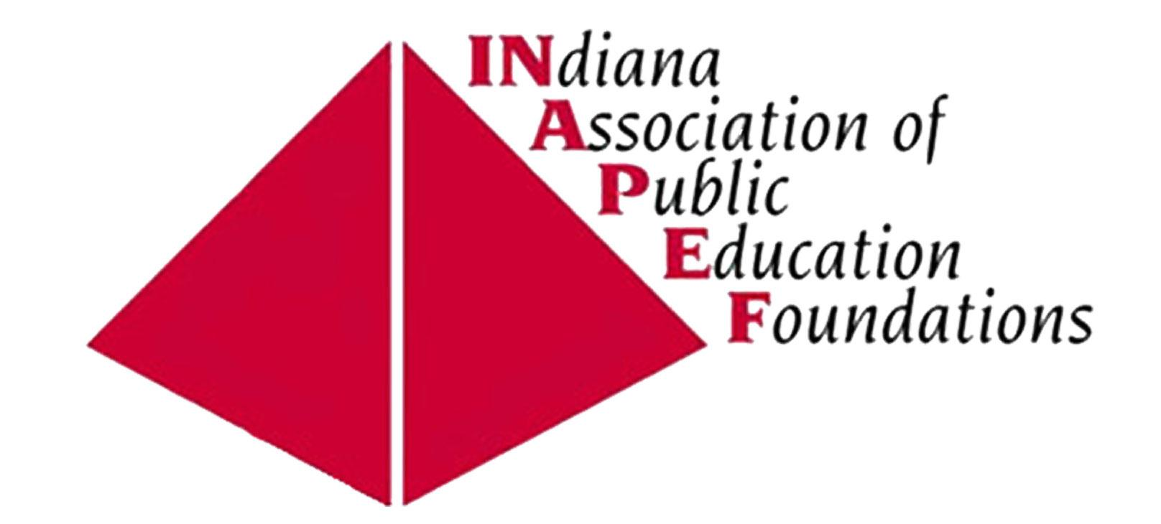
 | Standards for Indiana's Public Education Foundations Self-Assessment

Please score each of the following statements by entering a number "1" in the box corresponding to your answer that best describes where your education foundation is in relation to that standard. Only put a "1" in one box for each statement below.

 | Name:
 | Organization's name:

 |  | Strongly Agree | Agree | Disagree | Strongly Disagree
 | ORGANIZATIONAL OPERATIONS |  |  |  |  | Comments/clarifications:
1 | Our Education Foundation is in good standing with the Internal Revenue Service, Indiana Department of Revenue and Indiana Secretary of State.
2 | Our Education Foundation has established and follows policies concerning insurance needs and their periodic review.
3 | Our Education Foundation board approves a budget annually and reviews financial status quarterly.
4 | Our Education Foundation conducts an annual review or audit.
5 | Our Education Foundation reviews its bylaws every 5 years.
6 | Our Education Foundation has a document retention policy.
7 | Our Education Foundation has a donor privacy policy.
8 | Our Education Foundation has a conflict of interest policy.
9 | Our Education Foundation has a confidentiality policy for volunteers and staff, if applicable.
10 | Our Education Foundation has a whistleblower policy.
11 | Our Education Foundation's 990 and annual financial reports are available to the public, upon request.
12 | Our Education Foundation's technology (hardware, software, applications) meets the needs of our Education Foundation.
 | Sub Score | 0 | 0 | 0 | 0
 | If you scored less than 28 points, INAPEF can help you improve. | Total Score | 0 |  | out of 36
 |  | Strongly Agree | Agree | Disagree | Strongly Disagree
 | STRATEGIC PLANNING |  |  |  |  | Comments/clarifications:
13 | Our Education Foundation does a periodic community assessment in relation to philanthropic giving.
14 | Our Education Foundation has relevant mission and vision statements.
15 | Our Education Foundation consistently follows a defined set of procedures in our planning process resulting in written goals and objectives. This is an effective process in producing key outcomes.
16 | Our Education Foundation has a relevant strategic plan and the board reviews the plan at least annually.
 | Sub Score | 0 | 0 | 0 | 0
 | If you scored less than 10 points, INAPEF can help you improve. | Total Score | 0 |  | out of 12
 |  | Strongly Agree | Agree | Disagree | Strongly Disagree
 | BOARD DEVELOPMENT & LEADERSHIP |  |  |  |  | Comments/clarifications:
17 | Our Education Foundation has a solid relationship with the school administration and school board.
18 | Our Education Foundation has an established board member recruitment and orientation plan.
19 | Our board focuses on setting direction for our Education Foundation.

20 | Our board is a balanced representation of our school community (no one group is over-represented).
21 | Each of our board members receives and signs the following policies annually: conflict of interest, whistleblower and confidentiality.
22 | Our board of directors meets on a regular basis.
23 | Our board depends on an effective standing committee and task force structure.
24 | Our board members are actively involved in fund development, stewardship and advocacy for the Education Foundation.
25 | Our Education Foundation does ongoing board training and development.
26 | Our board members contribute financially to the organization.
27 | Our board evaluates itself at least annually.
28 | Our board members have 80% attendance at board meetings.
 | Sub Score | 0 | 0 | 0 | 0
 | If you scored less than 28 points, INAPEF can help you improve. | Total Score | 0 |  | out of 36
 |  | Strongly Agree | Agree | Disagree | Strongly Disagree
 | HUMAN RESOURCES |  |  |  |  | Comments/clarifications:
29 | Our Education Foundation has defined job descriptions for staff and volunteer roles, where applicable.
30 | Our Education Foundation completes an annual performance appraisal of staff, including self-evaluations, if applicable.
31 | Our Education Foundation has a process to recruit and retain staff and volunteers for our programs.
32 | Our Education Foundation shares its confidentiality agreement/policy with volunteers and any applicable staff and those individuals are required to sign the agreement to uphold the confidentialities as outlined.
33 | Our Education Foundation takes the time to gather and analyze feedback from employees and volunteers.
34 | Our Education Foundation board chair is independent of the Executive Director.
 | Sub Score | 0 | 0 | 0 | 0
 | If you scored less than 14 points, INAPEF can help you improve. | Total Score | 0 |  | out of 18
 |  | Strongly Agree | Agree | Disagree | Strongly Disagree
 | FUND DEVELOPMENT |  |  |  |  | Comments/clarifications:
35 | Our Education Foundation's fundraising efforts supply sufficient revenue to implement our mission.
36 | Our Education Foundation has a broad-based development plan, incorporating private and public support, as well as short-term and long-term investments. This plan is reviewed annually.
37 | Our Education Foundation's financial status, including endowment funds is monitored closely.
38 | Our Education Foundation has a fund acceptance policy.
39 | Our Education Foundation has a diversified funding base.
40 | Our Education Foundation has a case statement for fund development.

41 | Our Education Foundation periodically reviews gift agreements with living donors to determine changes, succession planning, and to clarify purpose.
42 | Our Education Foundation keeps records to instruct staff/board of directors of donor's intent for donor designated gifts.
43 | Our Education Foundation has an electronic system that tracks donations both for the financial recordkeeping and donor interests and communications.
44 | Our Education Foundation provides gift acknowledgement subject to IRS compliance and includes appropriate information.
 | Sub Score | 0 | 0 | 0 | 0
 | If you scored less than 24 points, INAPEF can help you improve. | Total Score | 0 |  | out of 30
 |  | Strongly Agree | Agree | Disagree | Strongly Disagree
 | PROGRAMS |  |  |  |  | Comments/clarifications:
45 | Our Education Foundation provides guidelines for each funding opportunity.
46 | Our Education Foundation has diversity in its funding program.
47 | Our Education Foundation's programs align with the district's strategic plan and/or priorities.
48 | Our Education Foundation's grants/scholarships are awarded on an objective and non-discriminatory basis using established procedures.
49 | Our Education Foundation board approves all program funding.
 | Sub Score | 0 | 0 | 0 | 0
 | If you scored less than 12 points, INAPEF can help you improve. | Total Score | 0 |  | out of 15
 |  | Strongly Agree | Agree | Disagree | Strongly Disagree
 | EVALUATION |  |  |  |  | Comments/clarifications:
50 | Our Education Foundation programs achieve their desired impact on key goals and are measured on a regular basis.
51 | Our Education Foundation has a program evaluation process for major initiatives.
52 | Our Education Foundation tracks all grant funds and requires grantees to demonstrate how funds are used.
53 | Our Education Foundation annually calculates its internal cost of raising funds and compares it to previous years.
54 | Our Education Foundation annually calculates its donor retention rate and compares it to previous years.
 | Sub Score | 0 | 0 | 0 | 0
 | If you scored less than 12 points, INAPEF can help you improve. | Total Score | 0 |  | out of 15
 |  | Strongly Agree | Agree | Disagree | Strongly Disagree
 | MARKETING & BRANDING |  |  |  |  | Comments/clarifications:
55 | Our Education Foundation has a communication plan to reach all constituents in our target population.
56 | Our Education Foundation uses social media to our advantage and has a user friendly website.
57 | Our Education Foundation has a strong brand presence.
 | Sub Score | 0 | 0 | 0 | 0
 | If you scored less than 7 points, INAPEF can help you improve. | Total Score | 0 |  | out of 9
 | Our Education Foundation has the following greatest challenges:

